COA Comparison
Instructions: Input figures for D1 year only in blue highlighted cells. Use 2022-23 figures (if available).

Comparison Dental School |  | UFCD
Tuition | $0 | Non-Florida Resident Tuition | $64,046
Fees | $0 | Fees | $4,154
Books/Supplies/Instrument Fee | $0 | Books/Supplies/Instrument Fee | $14,280
Room and Board | $0 | Room and Board | $13,170
Transportation (trips home) | $0 | Transportation (trips home) | $1,490
Miscellaneous Expenses* | $0 | Miscellaneous Expenses* | $10,210
Scholarship Offer | $0 | UF Potential Scholarship | $0
Adjusted 2022-23 COA | $0 | Adjusted 2022-23 COA | $107,350
*Miscellaneous includes, but is not limited to, clothing, computer, cell phone, etc.

How much more/less will I pay my D1 year if I don't pick UFCD?
I will pay | N/A | more at comparison school.
 |  |  | N/A

View a breakdown of all the expenses that comprise the Cost of Attendance at UFCD here:
http://admissions.dental.ufl.edu/financial-aid-2/budgets-cost-of-attendance-d-m-d/

UFCD DMD candidates graduate with significantly lower rates of indebtedness than the national average.

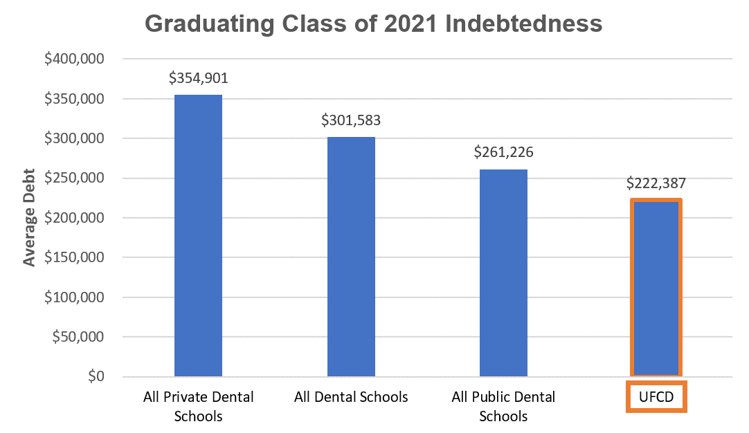

Source: | https://www.adea.org/godental/money_matters/educational_debt.aspx

